Page Layout
Project Name |  |  |  | Wow tasty |  | User Type |  |  |  |  | User |  |  |  | Writer | Hak Choi
Phase |  |  |  | Requirements programing design |  | Page Name |  |  |  |  | Order Completed |  |  |  | Date | 11/24/2012

 | 1. Page layout

 |  | 1 ) Layout
 |  | - Initial layout
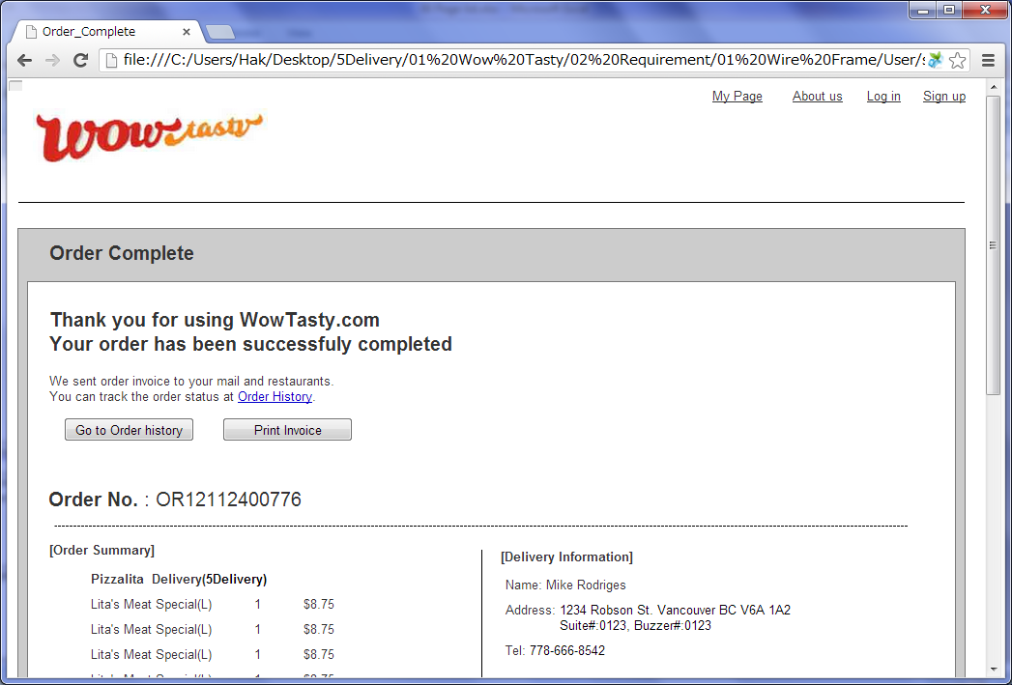

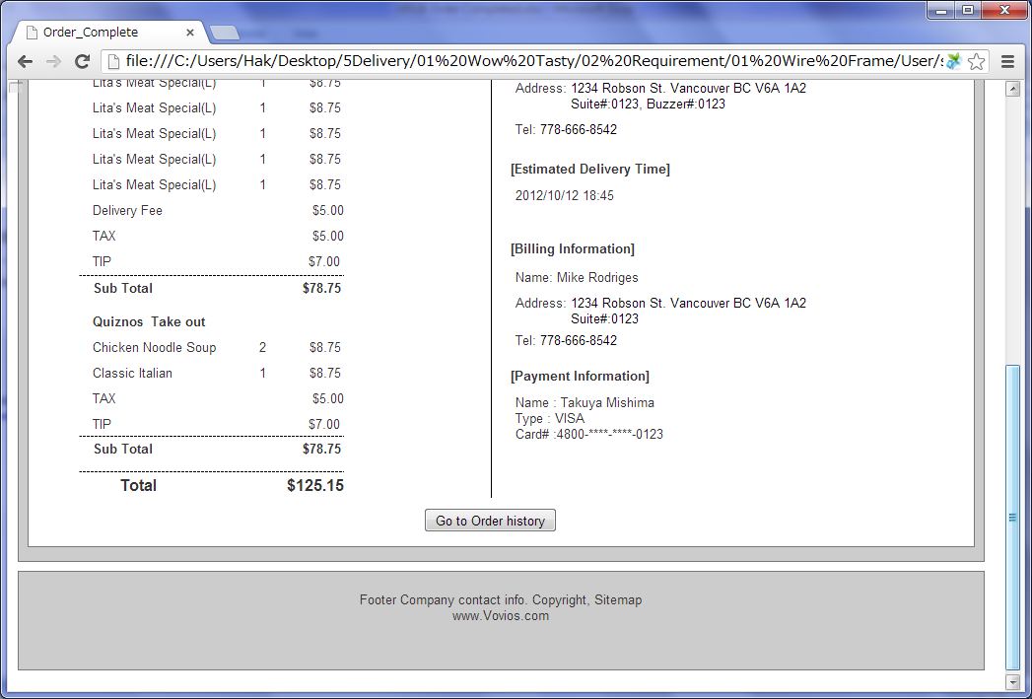

 |  | - Invoice Layer
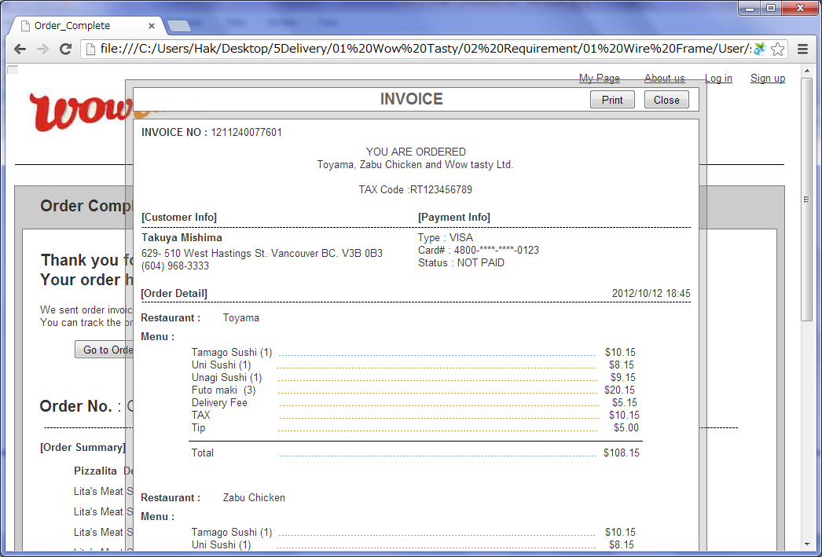

 |  | 2) Field list

 |  | No. | Name |  | Controller |  | Len | Align |  | Default |  | Note
 |  | 1 | Order history |  | Link
 |  | 2 | Go to Order history |  | Button
 |  | 3 | Print Invoice |  | Button
 |  | Order Summary
 |  | 4 | Order NO. |  | Label
 |  | 5 | Restaurant Name |  | Label
 |  | 6 | Delivery Type |  | Label |  |  |  |  |  |  | Delivery/Take out
 |  | 7 | Delivery Company Name |  | Label |  |  |  |  |  |  | Only if delivery company chosen
 |  | 8 | Invoice |  | Link
 |  | 9 | Menu Name |  | Label
 |  | 10 | Unit |  | Label
 |  | 11 | Price(without Tax) |  | Label
 |  | 12 | Delivery Fee |  | Label |  |  |  |  |  |  | Only if delivery company chosen
 |  | 13 | Tax |  | Link
 |  | 14 | Tip |  | Textfield
 |  | 15 | Sub Total |  | Label
 |  | 16 | Total |  | Label
 |  | Delivery Information
 |  | 17 | Name |  | Label |  |  |  |  |  |  | First Name, Last Name
 |  | 18 | Address |  | Label |  |  |  |  |  |  | Address, City, Province, Postal Code, Suite Number
 |  | 19 | Tel |  | Label
 |  | 20 | Estimated Delivery Time |  | Label |  |  |  |  |  |  | Delivery time or Pre-Order time. YYYY/MM/DD HH:mm
 |  | Billing Information
 |  | 21 | Name |  | Label |  |  |  |  |  |  | First Name, Last Name
 |  | 22 | Address |  | Label |  |  |  |  |  |  | Address, City, Province, Postal Code, Suite Number
 |  | 23 | Tel |  | Label
 |  | Payment Info
 |  | 24 | Name |  | Label
 |  | 25 | Payment Type |  | Label
 |  | 26 | Card# |  | Label |  |  |  |  |  |  | 9999-****-****-9999, If cash, don' t show this.
 |  | Bottom button
 |  | 27 | Go to Order history |  | Button
 |  | Invoice layer*
 |  | * Invoice layer is refered to "U104 Invoice.xlsx"

 |  | 3) Validation list

 |  | - Unit validation
 |  | No. | Name |  | Required | Type |  |  | Other |  |  |  |  | Error Message

 |  | - Correlation validation
 |  | No. | Condition |  | Field |  |  |  |  |  | Required |  | Other | Error message

Page Transition
Project Name |  |  |  |  | Wow tasty |  | User Type |  | User |  | Writer |  | Hak Choi
Phase |  |  |  |  | Requirements programing design |  | Page Name |  | Order Completed |  | Date |  | 11/24/2012

 | 2. Page Transition

 |  | 1) Event List

 |  | No. | Name |  |  | Event |  | Condition |  | Destination page
 |  | 1 | Go to Order history |  |  | Click |  |  |  | [Order List] page
 |  | 2 | Print Invoice |  |  | Click |  |  |  | Show [Invoice] layer

 |  | 2) Page Transition |  |  |  |  |  |  |  |  |  | page |  | layer

1
 |  |  |  | Order Completed |  |  | Order List

2

 |  |  |  |  | Invoice

